BVT
S no | Feature | BVT | Steps | Output | Result (Pass/Fail) |  |  |  | Issue
 |  |  |  |  | Power BI Desktop | IE | EDGE | CHROME
1 | Basic chart | Display default text | Drag 'Name' column in 'KPI Name' field | Should display default text "Please select 'KPI Name' and 'KPI Current Value' " | 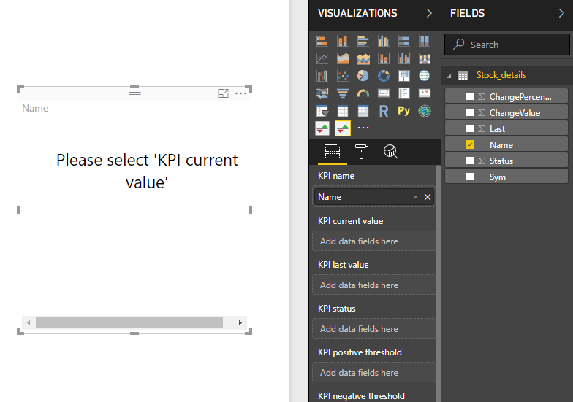 | 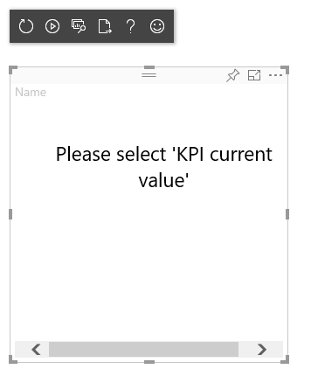 | 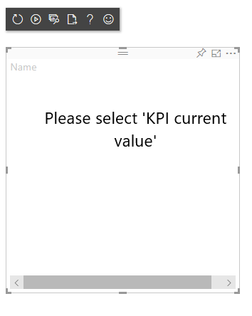 | 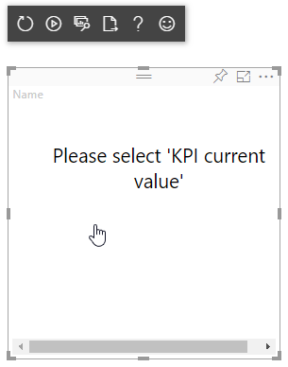
 |  | Display basic chart | 1. Drag 'Name' column in 'KPI Name' field , 'ChangeValue' column in 'KPI Current Value' Field, 'Last ' Column in 'KPI Last Value' Field | Visual should be rendered for 'KPI Name', 'KPI Current Value' and 'KPI Last Value' Field and should start ticking | 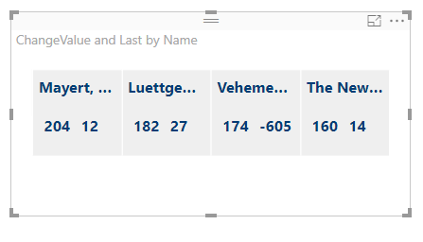 | 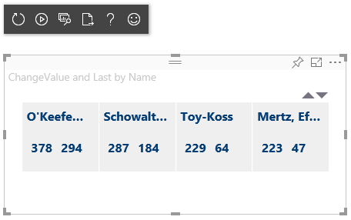 | 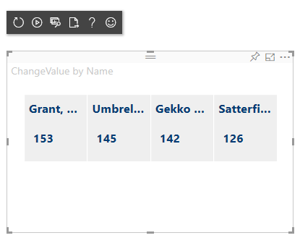 | 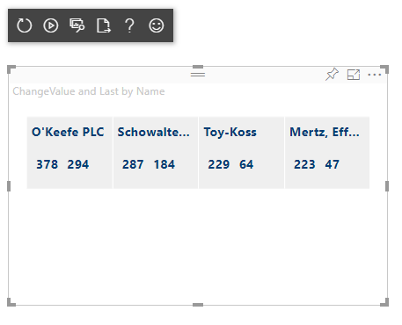
 |  | Display indicators | 2. Drag 'Status' Column in 'KPI Status' Field | Indicators should be displayed for all the columns for -1 down arrow with red , for +1 up arrow with green golor and for 0 flat rectangle with blue color | 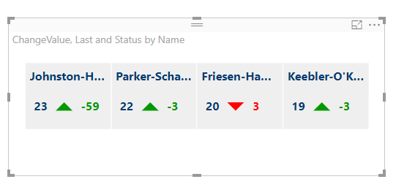 | 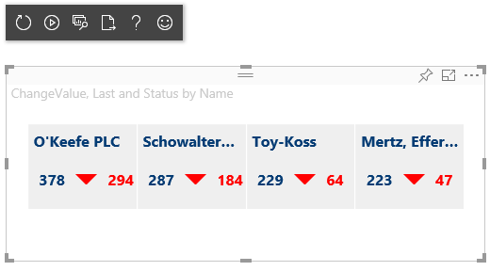 | 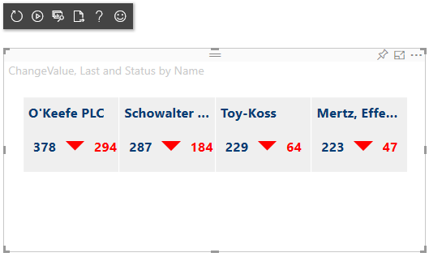 | 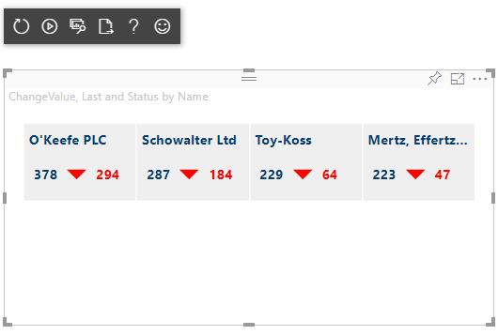 Pass
2 | Formatting of KPI | Update background color | 1. Go to formatting pane 2. Go to Configuration 3. Update Background Color to Sky Blue | Background color should be updated to sky blue | 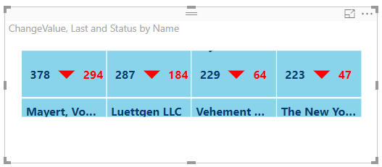 Pass | 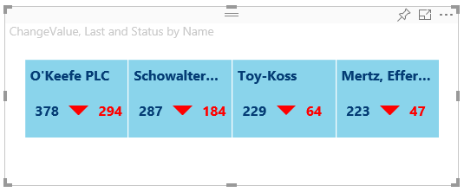 Pass | 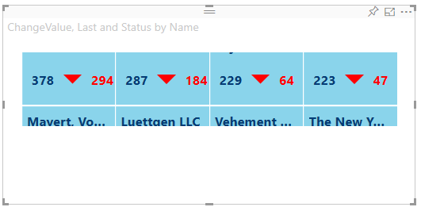 | 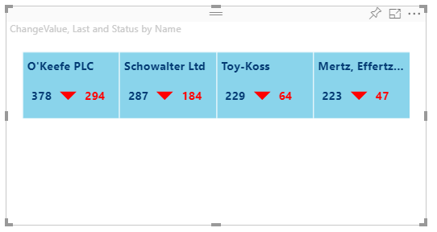 Pass
 |  | Enable Delta toggle | 1. Go to formatting pane 2. Go to Configuration 3. Toggle Enable Delta to ON 4. Toggle Enable Delta to OFF | Percentage change should be displayed when toggle is on, and should disappear when toggle is turned off | Pass | Pass | Pass | Pass
 |  | Update 'KPI Count' value to 3 | 1. Go to formatting pane 2. Go to Configuration 3. Update 'KPI Count' value to '3' | 3 KPI Columns should be displayed | Pass | Pass | Pass | Pass
 |  | Update 'KPI Count' value to 3.5 | "1. Go to formatting pane 2. Go to Configuration 3. Update 'KPI Count' value to '3.5' | 3 KPI Columns should be displayed | Pass |  |  | Pass
 |  | Filter rows to have number of distinct KPI Names as not a multiple of the number of 'KPI Count' value For eg: Have 5 distinct KPI Names and KPI Count as 4 | 1. Go to Filters in data pane 2. For 'Name' column, select any 5 values 3. Go to formatting pane 4. Go to Configuration 5. Update 'KPI Count' value to '4' | 4 KPI Columns should be Displayed and names of all the columns should also be displayed | Pass | Pass | Pass | Pass
3 | Indicators | Update Indicator Color Values | Update 'Positive indicator color' value to 'Yellow'. Update 'Negative indicator color' value to 'Blue'. Update 'Neutral indicator color' value to 'Orange' | Indicator Color values should be changed. | Pass | Pass | Pass | Pass
4 | Sorting | Sort the containers | 1- Go to Visual's ellipsis menu . 2-Select the sort by name(or any field). | The visual should display containers in the sorted manner on the basis of selected field. | Pass | Pass | Pass | Pass
5 | Animation on Hover | Stop animation on hovering | Hover on the visual. | Animation should be stopped at the time of hovering on the visual and then start again if not hovered. | Pass | Pass | Pass | Pass
6 | Name | Update text size(Max - 14) | 1. Go to formatting pane 2. Go to Name 3. Update the Size to 14 | Size should be updated to 14 | Pass | Pass | Pass | Pass
 |  | Update Text Color | 1. Go to formatting pane 2. Go to Name 3. Update Font Color to red | Font Color should be updated to Red | Pass | Pass | Pass | Pass
 |  | Update Text family | 1. Go to formatting pane 2. Go to Name 3. Update Font family to Arial | Font family should be updated to Arial | Pass | Pass | Pass | Pass
 |  | Change alignment | 1. Go to formatting pane 2. Go to Name 3. Change alignment to Center | The tile name should be aligned to center | Pass | Pass | Pass | Pass
7 | Value | Update text size(Max - 14) | 1. Go to formatting pane 2. Go to Value 3. Update the Size to 14 | Size should be updated to 14 | Pass | Pass | Pass | Pass
 |  | Update Text Color | 1. Go to formatting pane 2. Go to Value 3. Update Font Color to red | Font Color should be updated to Red | Pass | Pass | Pass | Pass
 |  | Update Text family | 1. Go to formatting pane 2. Go to Value 3. Update Font family to Arial | Font family should be updated to Arial | Pass | Pass | Pass | Pass
8 | Animation options | Scroll the ticker in horizontal manner. | 1-Go to formatting pane. 2- Go to Animation. 3-Toggle Horizontal scroll to ON. | Ticker should start scrolling in the horizontal manner. | Pass | Pass | Pass | Pass
 |  | Stack the containers/tickers in the vertical manner. | 1-Go to formatting pane. 2-Go to Animation. 3- Toggle Vertical stack to ON. | Ticker's containers should be stacked in vertical manner. | 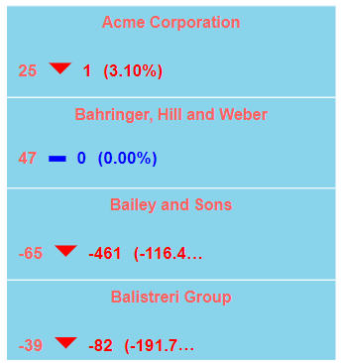 Pass | 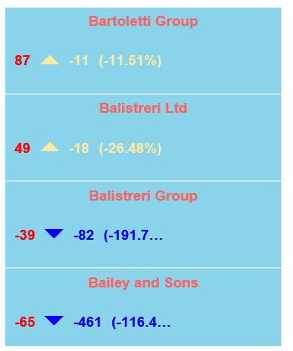 Pass | Pass | 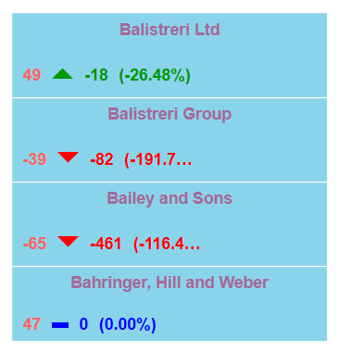 Pass
 |  | Update animation style to fade. | 1- Go to formatting pane. 2- Go to Animation. 3- Update style to fade. | Animation style should be changed to fade. Change the duration to 5 seconds. Ticker should get fade In and fade Out within 5 seconds. | 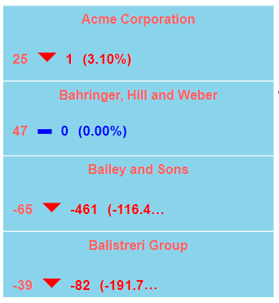 Pass | 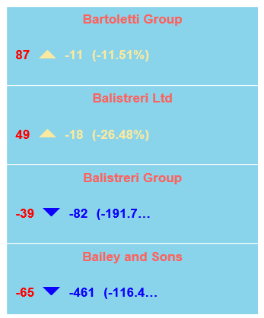 Pass | 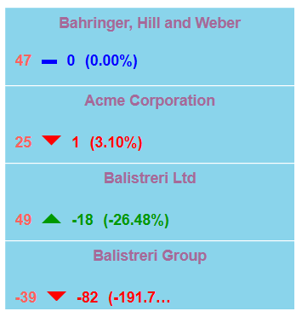 Pass | Pass
 |  | Update style to slide and wait. | 1- Go to formatting pane. 2- Go to Animation. 3- Update style to slide and wait. | Animation style should be changed to slide and wait. Current data should slide to up or left and next data should get displayed in the same manner respectively. | Pass | Pass | Pass | Pass
 |  | Update style to no animation. | 1- Go to formatting pane. 2- Go to Animation. 3- Update style to no animation. | There should be no animation. Just the data should get replaced with the next data. | Pass | Pass | Pass | Pass
 |  | Set duration for animation | 1- Go to Formatting pane. 2- Go to Animation. 3- Set duration to 1 second. 4- Set duration to 5 seconds. | For duration = 1 second it should be changed to 2 seconds . For duration = 5 seconds , the Ticker should be on hold for 5 seconds. | 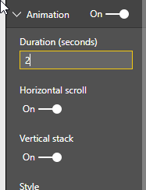 Pass | 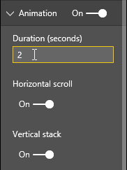 Pass | 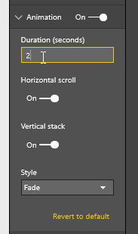 Pass | Pass
9 | Responsive | Make Visual responsive | 1- Go to Formatting pane. 2- Go to Responsive. 3- Toggle Responsive to On. | Visual should become responsive i.e. If height and width of the viewport is decreased or increased then the height and width of tiles, wrappers should also get decreased or increased respectively. | 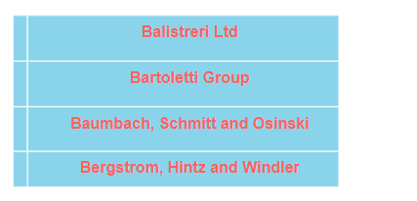 Pass | Pass | Pass | 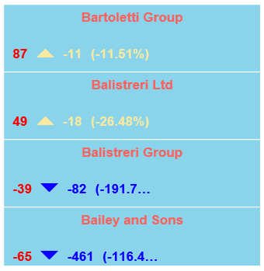 Pass
 |  | Set the width of tiles | 1- Go to Formatting pane. 2- Go to Responsive. 3- Toggle Responsive to Off. 4- Set the width of tiles. | Tiles width should be changed to the value entered in the format option. | 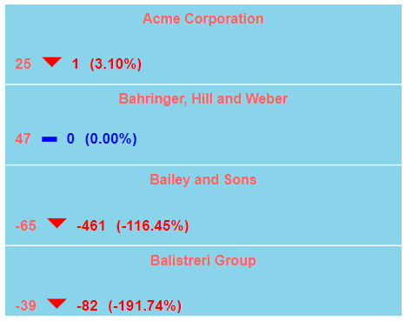 Pass | 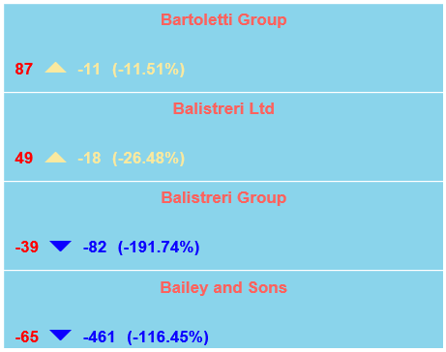 Pass | Pass | Pass
 |  | Set the height of tiles | 1- Go to Formatting pane. 2- Go to Responsive. 3- Toggle Responsive to Off. 4- Set the height of tiles. | Tiles height should be changed to the value entered in the format option | 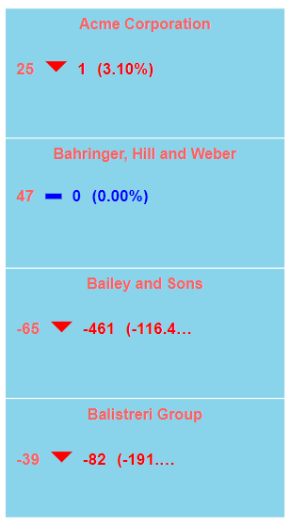 Pass | 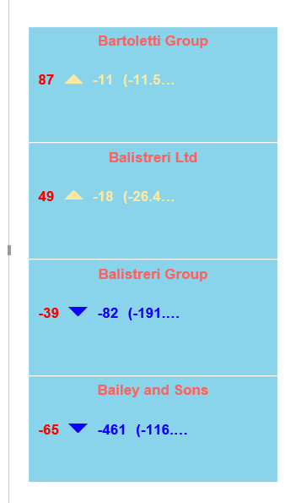 Pass | Pass | Pass
10 | Carousel | Apply Carousel feature | 1- Go to Formatting pane. 2- Go to carousel. 3- Toggle carousel to On. | There should be two arrows according to the scrolling manner selected and clicking on which next/previous data should be appeared without applying animation duration. | 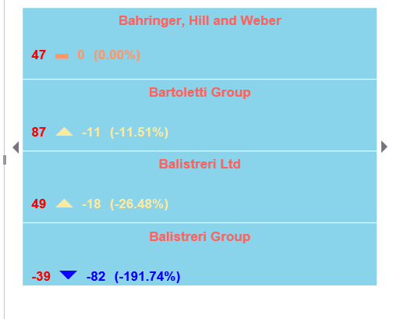 Pass | 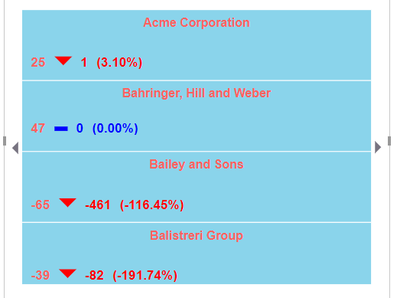 Pass | Pass | Pass

